Guides
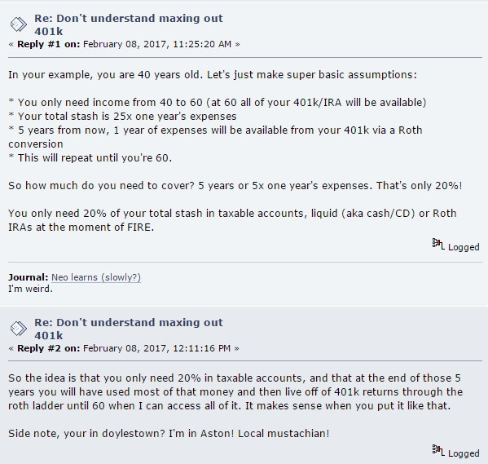
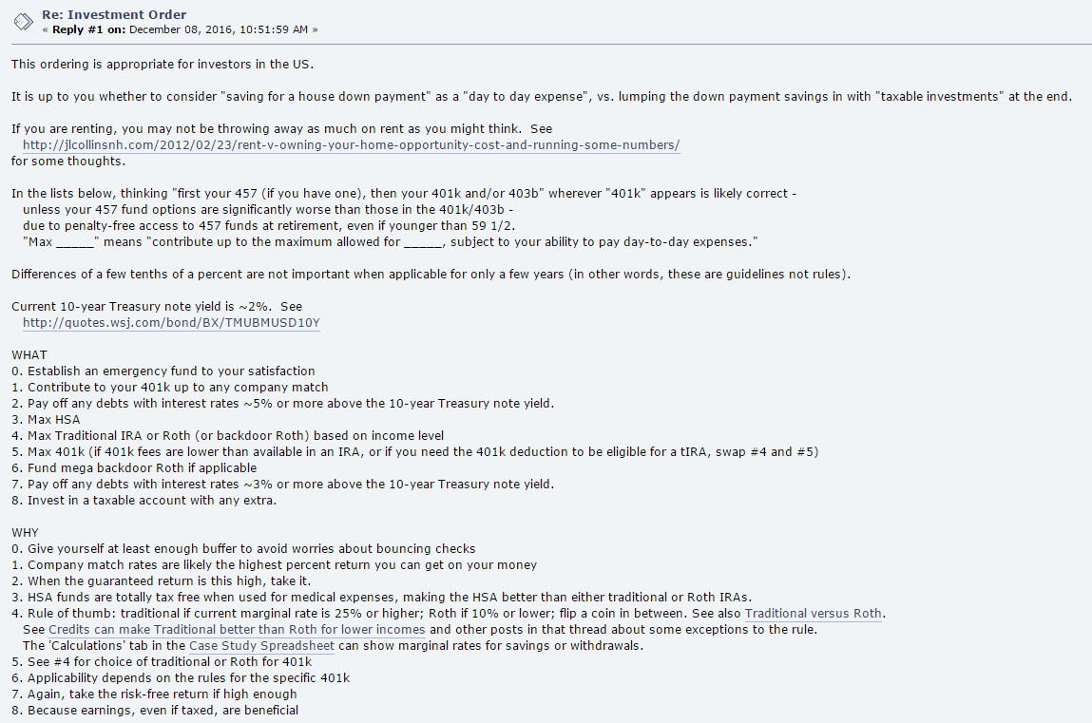
http://www.madfientist.com/after-tax-contributions/

Mr Money Mustache Forum

